Instructions
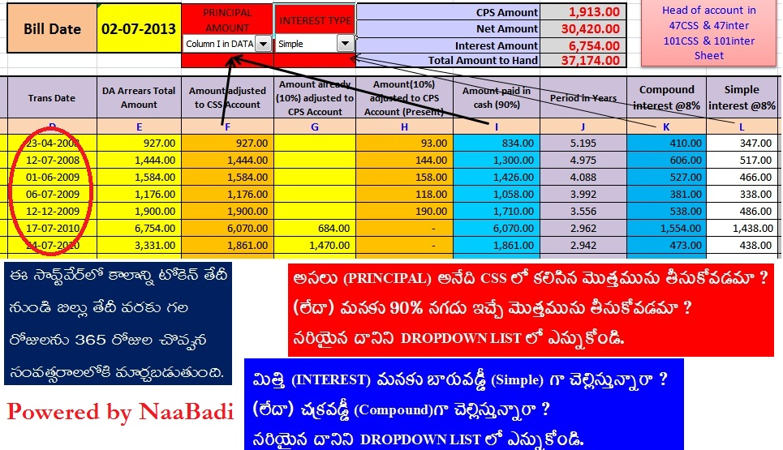

DATA
Note:
You may Change:
District name in
47CSS & 47inter
and
Head of account in
47CSS & 47inter
101CSS & 101inter
Sheet
Name of the Employee |  | Singi Raju |  | Designation | PET | Emp. ID | 552259 | Modify only Yellow colour cells
Present Working Place |  | Z PH School,Rudravaram |  | Mandal | NANDIGAMA | PRAN No. | 12333333333
Present DDO Desi |  | Head Master |  | DDO Code | 5110308014 | Bank Code | 882
Present DDO Office |  | Z PH School,Rudravaram |  | STO Name | STO NANDIGAMA | Bank Name | SBI NANDIGAMA
NaaBadi
 |  |  | Bill Date | 2013-07-10 | PRINCIPAL AMOUNT | INTEREST TYPE | CPS Amount |  | 1,913.00
 |  |  |  |  |  |  | Net Amount |  | 30,420.00
 |  |  |  |  | 2 | 2 | Interest Amount |  | 6,809.00
 |  |  |  |  |  |  | Total Amount to Hand |  | 37,229.00

Sl. No. | Period of Arrears | Trans ID. | Trans Date | Arrears Amount | Amount adjusted to CSS Account | Amount already (10%) adjusted to CPS Account | Amount(10%) adjusted to CPS Account (Present) | Amount paid in cash (90%) | Period in Years | Compound interest @8% | Simple interest @8% | Difference
A | B | C | D | E | F (E-G) | G | H | I (F-G) | J | K | L | M
1 | Jan 08 - Mar 08 | 321 | 2008-04-23 | 927.00 | 927.00 |  | 93.00 | 834.00 | 5.216 | 412.00 | 348.00 | 64.00
2 | Jul 08 - Oct 08 | 3254 | 2008-07-12 | 1,444.00 | 1,444.00 |  | 144.00 | 1,300.00 | 4.997 | 610.00 | 520.00 | 90.00
3 | Jan 09 - Mar 08 | 2635 | 2009-06-01 | 1,584.00 | 1,584.00 |  | 158.00 | 1,426.00 | 4.110 | 531.00 | 469.00 | 62.00
4 | IR Arears | 2451 | 2009-07-06 | 1,176.00 | 1,176.00 |  | 118.00 | 1,058.00 | 4.014 | 383.00 | 340.00 | 43.00
5 | Jul 09 - Oct 09 | 25354 | 2009-12-12 | 1,900.00 | 1,900.00 |  | 190.00 | 1,710.00 | 3.578 | 542.00 | 489.00 | 53.00
6 | Notional Arears | 36501 | 2010-07-17 | 6,754.00 | 6,070.00 | 684.00 | - | 6,070.00 | 2.984 | 1,567.00 | 1,449.00 | 118.00
7 | PRC Arears | 9546 | 2010-07-24 | 3,331.00 | 1,861.00 | 1,470.00 | - | 1,861.00 | 2.964 | 477.00 | 441.00 | 36.00
8 | Jan 10 - Jul 10 | 5685 | 2010-08-31 | 4,703.00 | 4,703.00 |  | 470.00 | 4,233.00 | 2.860 | 1,042.00 | 969.00 | 73.00
9 | Jul 10 - Dec 10 | 5487 | 2010-12-01 | 4,964.00 | 4,964.00 |  | 496.00 | 4,468.00 | 2.608 | 993.00 | 932.00 | 61.00
10 | Jan 11 - May 11 | 658 | 2011-06-11 | 2,436.00 | 2,436.00 |  | 244.00 | 2,192.00 | 2.082 | 381.00 | 365.00 | 16.00
11 | Jul 11 - Oct 11 | 3654 | 2012-03-05 | 2,844.00 | 2,560.00 | 284.00 | - | 2,560.00 | 1.348 | 280.00 | 276.00 | 4.00
12 | Jan 12 - Jul 12 | 1245 | 2012-07-19 | 3,008.00 | 2,708.00 | 300.00 | - | 2,708.00 | 0.975 | 211.00 | 211.00 | 0.00
13 |  |  |  |  |  |  | -
14 |  |  |  |  |  |  | -
15 |  |  |  |  |  |  | -
 |  |  |  |  |  |  | -
 |  |  |  |  |  |  | -
 |  |  |  |  | 32,333.00 | 2,738.00 | 1,913.00 | 30,420.00 |  | 7,429.00 | 6,809.00 | 620.00

 |  | Give suggestions and feedback to naabadi79@gmail.com (or) 9492462332

 |  | Latest Software download from http://naabadi.in

101 CSS
APTC FORM - 101 |  |  |  |  |  |  |  |  | GOVERNMENT OF ANDHRAPRADESH
See Subsidiary Rules 2 (W) Under Treasury Rule 15 |  |  |  |  |  |  |  |  | PAPER TOKEN
Govt.Memo.No. 38907/Accounts/65-5 Dt:- 21.02.1963
 |  |  |  |  |  |  |  |  | STO CODE | 5110 |  |  |  |  |  | Date________________(For Treasury use only)
DDO Code : |  | 5110308014 |  | Treasury /PAO Code: |  |  | 5110
DDO Designation : |  | Head Master |  | Treasury /PAO Name |  |  | STO NANDIGAMA |  | STO NAME | STO NANDIGAMA |  |  |  |  |  | Trans ID

To |  |  |  |  |  |  |  |  | DDO Code | 5110308014
The Treasury Officer/Manager |  |  |  |  |  |  |  |  | DDO DESIGNATION: |  | Head Master |  |  |  |  | DDO Office Name: |  | Z PH School,Rudravaram
SBI NANDIGAMA
 |  |  |  |  |  |  |  |  | BANK BRANCH CODE: |  |  | 882 |  |  |  | BANK NAME: |  | SBI NANDIGAMA

Sir, |  |  |  |  |  |  |  |  | HEAD OF ACCOUNT |  | 8 | 0 | 0 | 9 |  | 0 | 1 | 1 | 0 | 1 |  | 0 | 0
Please Pay Bill No: |  |  | Dated. |  |  | for Net Rs. |  | Rs.30,420.00 |  |  |  | (Major Head) |  |  |  | (Sub-MH) |  | (Minor Head) |  |  |  | (Grp-SH)
Net in Words: |  | (Thirty Thousand Four Hundred and Twenty rupees only) |  |  |  |  |  |  |  |  | 0 | 3 |  |  | 0 | 0 | 0 | 0 | 0 | 0
Sri /Smt. |  |  |  |  |  |  |  |  |  |  | (Sub Head) |  |  |  | (Det.Head) |  |  | (Sub.Det.Head)
for the office of
whose specimen signature is attested here with. |  |  |  |  |  |  |  |  | Non-Plan-N plan-p |  | N | Charged-C Voted-V |  |  | V | Contingency Fund MH/ Service Major Head |  |  | 8 | 0 | 0 | 9
Signature of the Govt.Servant |  |  |  |  |  |  |  |  | Gross Rs. | 32333.00 |  |  | Deductions: |  |  | Rs. | 1913.00 |  | Net Rs. |  | 30420.00
 |  |  |  |  |  |  |  |  | Net Rupees in Words : |  | (Thirty Thousand Four Hundred and Twenty rupees only)

1 |  |  |  |  | Received the payment |  |  |  | Messenger Name Sri |  |  |  |  |  |  |  |  | Designation

2 |  |  |  |  |  |  |  |  | Specimen Signature of Messenger |  |  |  | 1)
 | Attested
 |  |  |  |  |  |  |  |  |  |  |  |  | 2)
 | Signature of the DDO |  |  |  |  | Signature of the Govt. Servant receiving the payment |  |  |  | DDO Signature |  |  |  |  | Attested |  |  |  |  | STO Signature
DDO SEAL
DDO SEAL
DDO SEAL
DDO SEAL
STO Seal
STO Seal

 |  |  |  |  |  |  |  |  |  |  |  |  |  | DDO Signature

101 interest
APTC FORM - 101 |  |  |  |  |  |  |  |  | GOVERNMENT OF ANDHRAPRADESH
See Subsidiary Rules 2 (W) Under Treasury Rule 15 |  |  |  |  |  |  |  |  | PAPER TOKEN
Govt.Memo.No. 38907/Accounts/65-5 Dt:- 21.02.1963
 |  |  |  |  |  |  |  |  | STO CODE | 5110 |  |  |  |  |  | Date________________(For Treasury use only)
DDO Code : |  | 5110308014 |  | Treasury /PAO Code: |  |  | 5110
DDO Designation : |  | Head Master |  | Treasury /PAO Name |  |  | STO NANDIGAMA |  | STO NAME | STO NANDIGAMA |  |  |  |  |  | Trans ID

To |  |  |  |  |  |  |  |  | DDO Code | 5110308014
The Treasury Officer/Manager |  |  |  |  |  |  |  |  | DDO DESIGNATION: |  | Head Master |  |  |  |  | DDO Office Name: |  | Z PH School,Rudravaram
SBI NANDIGAMA
 |  |  |  |  |  |  |  |  | BANK BRANCH CODE: |  |  | 882 |  |  |  | BANK NAME: |  | SBI NANDIGAMA

Sir, |  |  |  |  |  |  |  |  | HEAD OF ACCOUNT |  | 2 | 0 | 4 | 9 |  | 0 | 3 | 1 | 0 | 4 |  | 0 | 0
Please Pay Bill No: |  |  | Dated. |  |  | for Net Rs. |  | Rs.6,809.00 |  |  |  | (Major Head) |  |  |  | (Sub-MH) |  | (Minor Head) |  |  |  | (Grp-SH)
Net in Words: |  | (Six Thousand Eight Hundred and Nine rupees only) |  |  |  |  |  |  |  |  | 0 | 8 |  |  | 4 | 5 | 0 | 0 | 0 | 0
Sri /Smt. |  |  |  |  |  |  |  |  |  |  | (Sub Head) |  |  |  | (Det.Head) |  |  | (Sub.Det.Head)
for the office of
whose specimen signature is attested here with. |  |  |  |  |  |  |  |  | Non-Plan-N plan-p |  | N | Charged-C Voted-V |  |  | V | Contingency Fund MH/ Service Major Head |  |  | 2 | 0 | 4 | 9
Signature of the Govt.Servant |  |  |  |  |  |  |  |  | Gross Rs. | 6809.00 |  |  | Deductions: |  |  | Rs. | 0.00 |  | Net Rs. |  | 6809.00
 |  |  |  |  |  |  |  |  | Net Rupees in Words : |  | (Six Thousand Eight Hundred and Nine rupees only)

1 |  |  |  |  | Received the payment |  |  |  | Messenger Name Sri |  |  |  |  |  |  |  |  | Designation

2 |  |  |  |  |  |  |  |  | Specimen Signature of Messenger |  |  |  | 1)
 | Attested
 |  |  |  |  |  |  |  |  |  |  |  |  | 2)
 | Signature of the DDO |  |  |  |  | Signature of the Govt. Servant receiving the payment |  |  |  | DDO Signature |  |  |  |  | Attested |  |  |  |  | STO Signature
DDO SEAL
DDO SEAL
STO Seal

 |  |  |  |  |  |  |  |  |  |  |  |  |  | DDO Signature

